FIELD INFO 3

CLICK HERE TO GO BACK TO INFO PAGE
 | General Information | Your Responses |  | THIS IS FOR YOUR 3RD PIECE OF EQUIPMENT AT THE SAME ACCOUNT LOCATION. IF YOU NEED ADDITIONAL PLACEMENTS, PLEASE REACH OUT TO MDM CUSTOMER SUPPORT.
* | ACCOUNT MANAGER NAME
* | ACCOUNT MANAGER CONTACT NUMBER
* | CUSTOMER ACCOUNT NAME
* | CUSTOMER ACCOUNT NUMBER
* | ACCOUNT TYPE
* | SALES OFFICE
 | VEND CENTER | #N/A
* | REQUESTED DATE | 12/05/2022
 | EARLIEST DATE ACCOUNT WILL BE READY FOR INSTALL/REMOVAL?
 | EQUIPMENT LOCATION WITHIN ACCOUNT:
 | NUMBER OF STAIRS INTO LOCATION:
* | PRIMARY CONTACT NAME:
* | PRIMARY CONTACT PHONE WITH EXT:
 | CUSTOMER EMAIL:
 | BEST TIME TO CALL?
 | COMMENTS
 | **REQUIRED FIELDS** |  | MDM USE ONLY
 | REQUEST TYPE? |  | CODE GRP
 | EVENT TYPE? |  | #N/A
 | REQUESTED ACTION? |  | CODE SUB CAT
 | EQUIPMENT TYPE? |  | #N/A
 | QUESTIONAIRRE | MANUALLY ENTER RESPONSE | LINK TO TABS TO COMPLETE
 | EQUIPMENT MODEL:
 | #N/A
 | #N/A
 | #N/A
 | #N/A
 | #N/A
 | #N/A
 | #N/A
 | #N/A
 | #N/A
 | #N/A
 | #N/A
 | #N/A
 | #N/A
 | #N/A |  | CLICK HERE TO COMPLETE VEND BUTTONS SHEET
 | #N/A |  | CLICK HERE TO COMPLETE GFV MAP
 | #N/A
 | #N/A
 | #N/A
 | #N/A
 | #N/A
 | #N/A
 | #N/A
 | #N/A
 | #N/A
 | #N/A
 | #N/A
 | #N/A
 | #N/A |  | CLICK HERE TO COMPLETE FTN VALVES WORKSHEET

FIELD INFO 2
 | General Information | Your Responses |  | THIS IS FOR YOUR 2ND PIECE OF EQUIPMENT AT THE SAME ACCOUNT LOCATION. CLICK BELOW TO GO TO THE MAIN PAGE TO ACCESS THE 3RD PLACEMENT/REMOVAL.
* | ACCOUNT MANAGER NAME
* | ACCOUNT MANAGER CONTACT NUMBER
* | CUSTOMER ACCOUNT NAME
* | CUSTOMER ACCOUNT NUMBER
* | ACCOUNT TYPE
CLICK HERE TO GO BACK TO INFO PAGE
* | SALES OFFICE
 | VEND CENTER | #N/A
* | REQUESTED DATE | 12/05/2022
 | EARLIEST DATE ACCOUNT WILL BE READY FOR INSTALL/REMOVAL?
 | EQUIPMENT LOCATION WITHIN ACCOUNT:
 | NUMBER OF STAIRS INTO LOCATION:
* | PRIMARY CONTACT NAME:
* | PRIMARY CONTACT PHONE WITH EXT:
 | CUSTOMER EMAIL:
 | BEST TIME TO CALL?
 | COMMENTS
 | **REQUIRED FIELDS** |  | MDM USE ONLY
 | REQUEST TYPE? |  | CODE GRP
 | EVENT TYPE? |  | #N/A
 | REQUESTED ACTION? |  | CODE SUB CAT
 | EQUIPMENT TYPE? |  | #N/A
 | QUESTIONAIRRE | MANUALLY ENTER RESPONSE | LINK TO TABS TO COMPLETE
 | EQUIPMENT MODEL:
 | #N/A
 | #N/A
 | #N/A
 | #N/A
 | #N/A
 | #N/A
 | #N/A
 | #N/A
 | #N/A
 | #N/A
 | #N/A
 | #N/A
 | #N/A
 | #N/A |  | CLICK HERE TO COMPLETE VEND BUTTONS SHEET
 | #N/A |  | CLICK HERE TO COMPLETE GFV MAP
 | #N/A
 | #N/A
 | #N/A
 | #N/A
 | #N/A
 | #N/A
 | #N/A
 | #N/A
 | #N/A
 | #N/A
 | #N/A
 | #N/A
 | #N/A |  | CLICK HERE TO COMPLETE FTN VALVES WORKSHEET

How to Submit
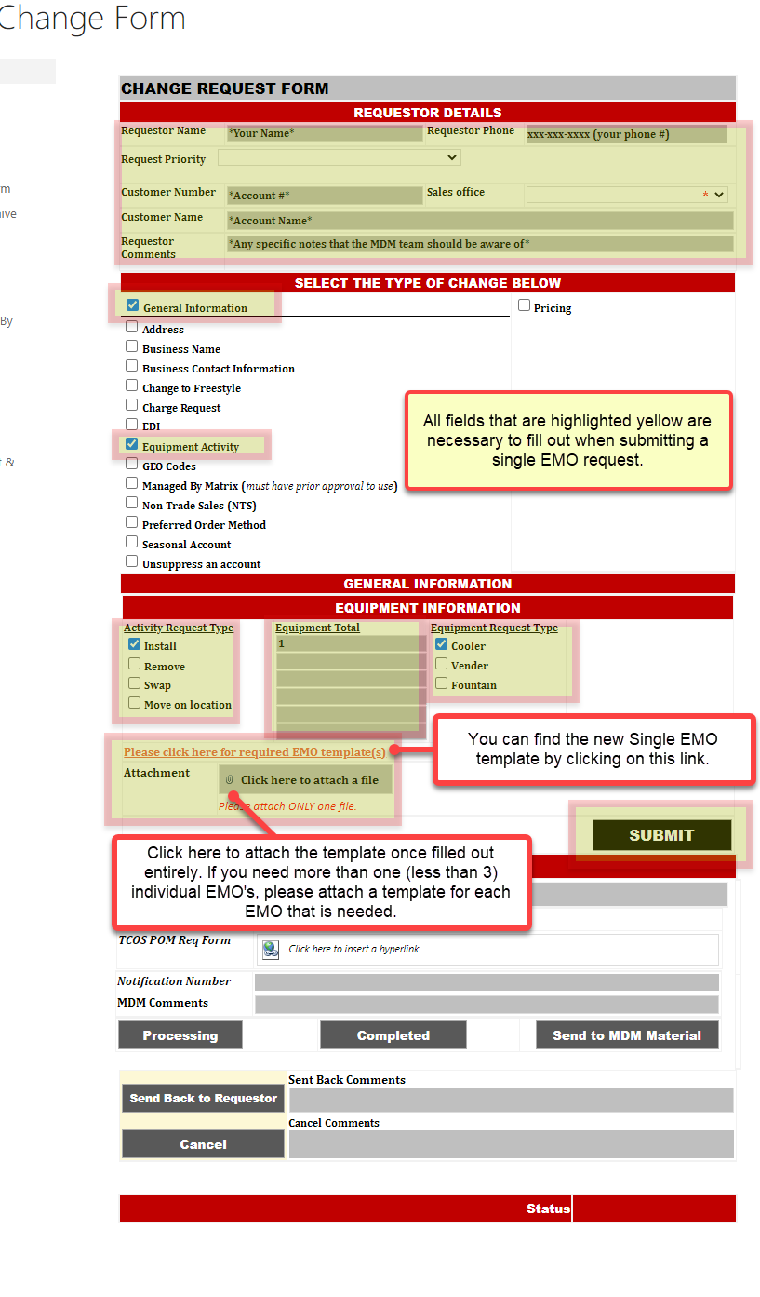
Single | Single EMO Request Form
CLICK HERE TO GO BACK TO INFO PAGE
· Fill in all highlighted boxes, then check the ‘General Information’ box.
· Click ‘Equipment Activity’
· Choose your Activity Request Type
· Enter the total # of equipment we are installing/removing (less than 3 for single EMO's)
· Click the Equipment Request Type
· Click the 'Please click here for required EMO template(s)' link. Open and fill out the single EMO template. Please be sure to fill in all required fields (Example: Fill out the GFV map if a GFV is needed).
· For removals, please use the SAP/CONA equipment # (asset/serial # will not work). The number that we need is the 9 digit equipment #, usually beginning with a 1.
· Link the completed template to this form
· Click Submit

How to retrieve CONA Equip. #'s
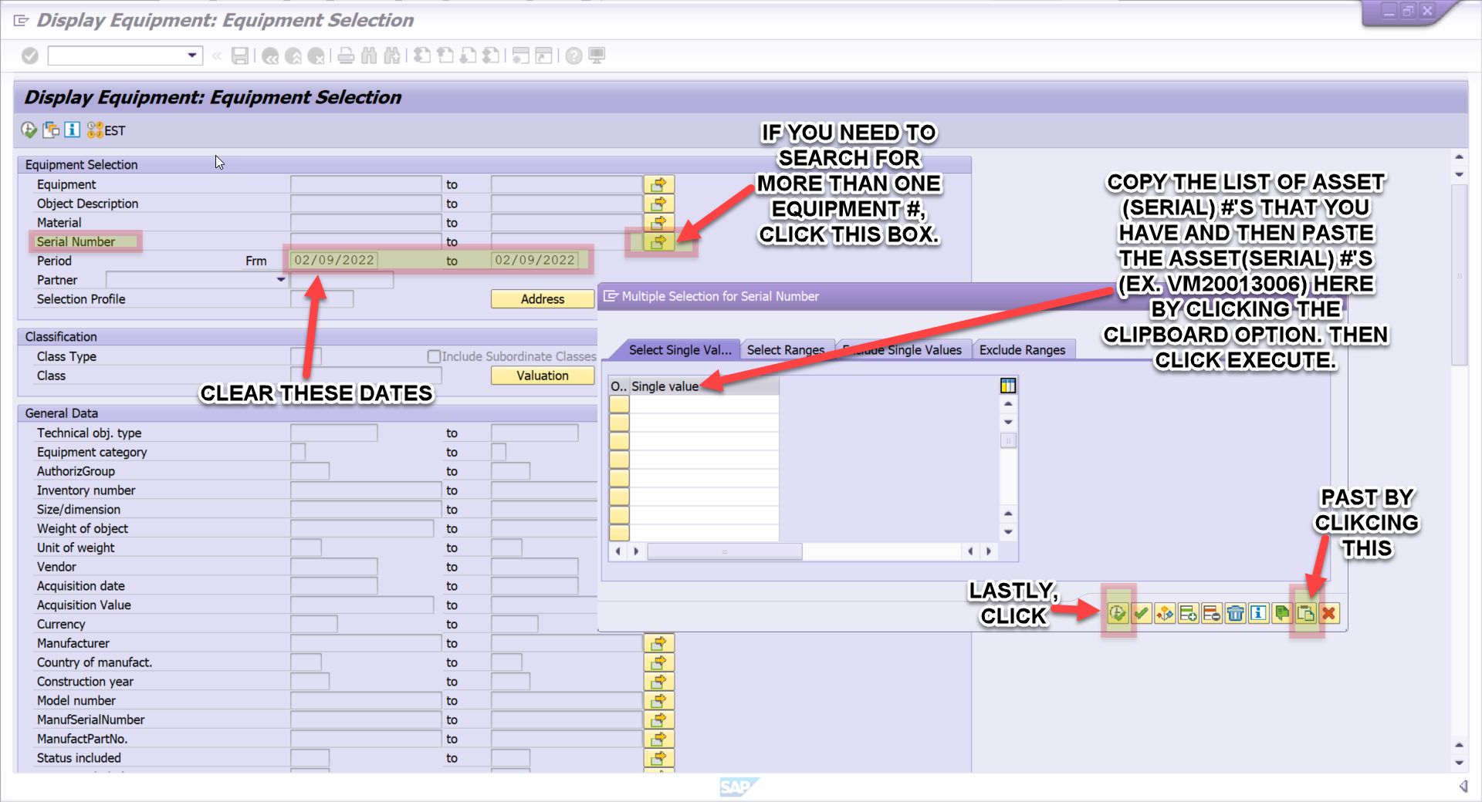
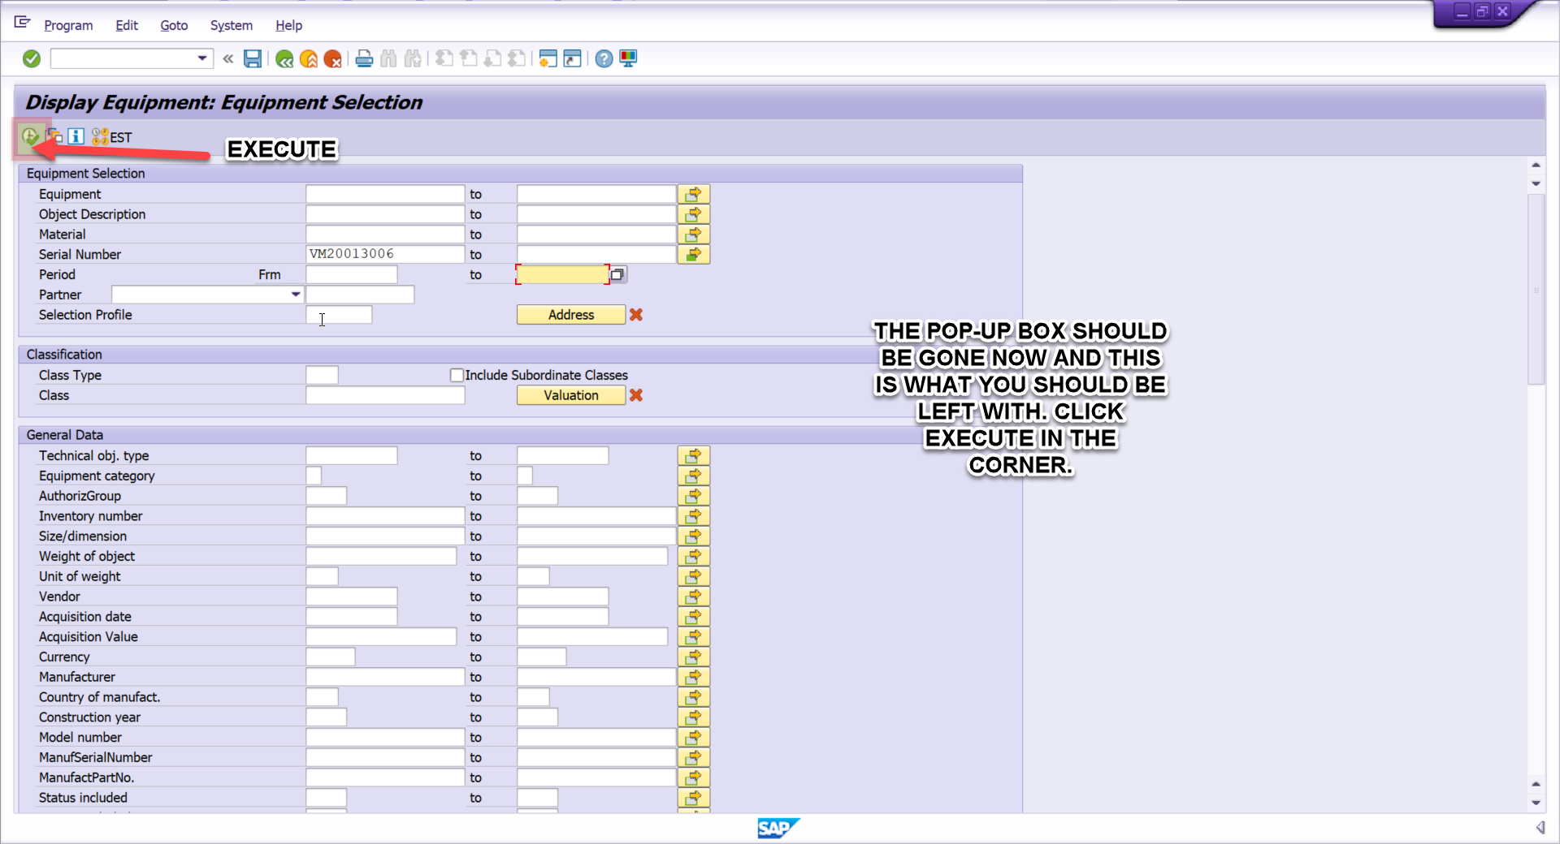
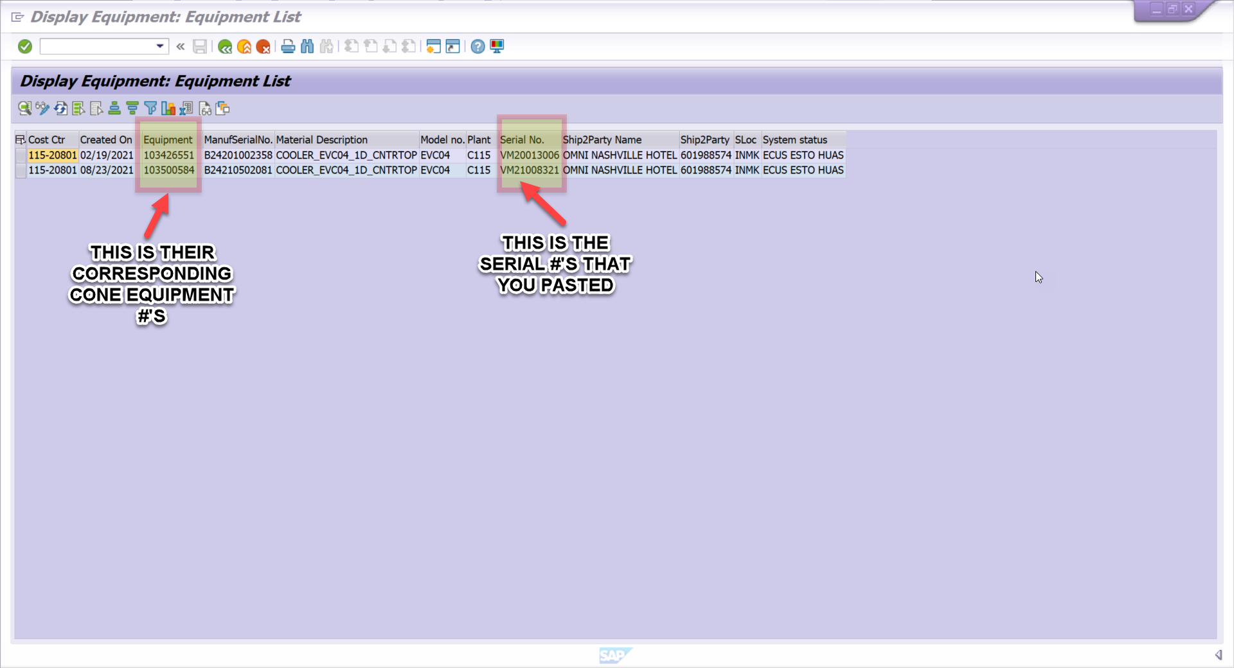
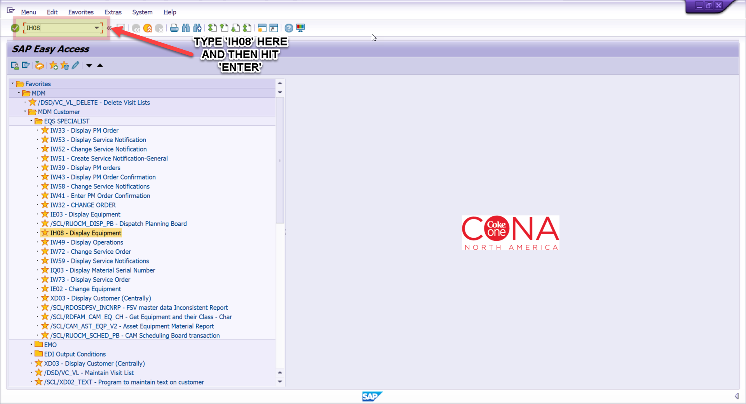
Single
CLICK HERE TO GO BACK TO INFO PAGE

FTN VALVE
CLICK HERE TO GO BACK TO INFO PAGE

FOUNTAIN VALVE
CUSTOMER #: | 0
CUSTOMER NAME: | 0
MODEL: | 0
SALES OFFICE: | 0
VEND CENTER: | #N/A

 | FLAVORS
VALVE #1
VALVE #2
VALVE #3
VALVE #4
VALVE #5
VALVE #6
VALVE #7
VALVE #8

VEND BUTTONS
CLICK HERE TO GO BACK TO INFO PAGE

 | VENDER BUTTONS
 | CUSTOMER #: | 0
 | CUSTOMER NAME: | 0
 | MODEL: | 0
 | SALES OFFICE: | 0
 | VEND CENTER: | #N/A
 | COMMISSION PAYMT SCHEDULE

Button # | Package Size & Product Description | Vend Price | Commission Rate
Button #1
Button #2
Button #3
Button #4
Button #5
Button #6
Button #7
Button #8

GFV MAP
CLICK HERE TO GO BACK TO INFO PAGE
 |  | THIS IS FOR GLASS FRONT VENDING ONLY
 | GLASS FRONT VENDER MAP
 |  |  | CUSTOMER #: | 0
 |  |  | CUSTOMER NAME: | 0
 |  | SERIAL #:
 |  | EQUIPMENT #:
 | MACHINE LOCATION:
COMMISSION PAYMENT SCHEDULE:
 |  |  | SALES OFFICE: | 0
 |  |  | VEND CENTER: | #N/A

 | A1 | A2 | A3 | A4 | A5 | A6 | A7 | A8 | A9
Package
Brand
Vend Price
Commission Rate
 | B1 | B2 | B3 | B4 | B5 | B6 | B7 | B8 | B9
Package
Brand
Vend Price
Commission Rate
 | C1 | C2 | C3 | C4 | C5 | C6 | C7 | C8 | C9
Package
Brand
Vend Price
Commission Rate
 | D1 | D2 | D3 | D4 | D5 | D6 | D7 | D8 | D9
Package
Brand
Vend Price
Commission Rate
 | E1 | E2 | E3 | E4 | E5 | E6 | E7 | E8 | E9
Package
Brand
Vend Price
Commission Rate

FTN VALVE (2)
CLICK HERE TO GO BACK TO INFO PAGE
FOUNTAIN VALVE
CUSTOMER #: | 0
CUSTOMER NAME: | 0
MODEL: | 0
SALES OFFICE: | 0
VEND CENTER: | #N/A

 | FLAVORS
VALVE #1
VALVE #2
VALVE #3
VALVE #4
VALVE #5
VALVE #6
VALVE #7
VALVE #8

VEND BUTTONS (2)
CLICK HERE TO GO BACK TO INFO PAGE

 | VENDER BUTTONS
 | CUSTOMER #: | 0
 | CUSTOMER NAME: | 0
 | MODEL: | 0
 | SALES OFFICE: | 0
 | VEND CENTER: | #N/A
 | COMMISSION PAYMT SCHEDULE

Button # | Package Size & Product Description | Vend Price | Commission Rate
Button #1
Button #2
Button #3
Button #4
Button #5
Button #6
Button #7
Button #8

GFV MAP (2)
CLICK HERE TO GO BACK TO INFO PAGE
 |  | THIS IS FOR GLASS FRONT VENDING ONLY
 | GLASS FRONT VENDER MAP
 |  |  | CUSTOMER #: | 0
 |  |  | CUSTOMER NAME: | 0
 |  | SERIAL #:
 |  | EQUIPMENT #:
 | MACHINE LOCATION:
COMMISSION PAYMENT SCHEDULE:
 |  |  | SALES OFFICE: | 0
 |  |  | VEND CENTER: | #N/A

 | A1 | A2 | A3 | A4 | A5 | A6 | A7 | A8 | A9
Package
Brand
Vend Price
Commission Rate
 | B1 | B2 | B3 | B4 | B5 | B6 | B7 | B8 | B9
Package
Brand
Vend Price
Commission Rate
 | C1 | C2 | C3 | C4 | C5 | C6 | C7 | C8 | C9
Package
Brand
Vend Price
Commission Rate
 | D1 | D2 | D3 | D4 | D5 | D6 | D7 | D8 | D9
Package
Brand
Vend Price
Commission Rate
 | E1 | E2 | E3 | E4 | E5 | E6 | E7 | E8 | E9
Package
Brand
Vend Price
Commission Rate

FTN VALVE (3)
CLICK HERE TO GO BACK TO INFO PAGE
FOUNTAIN VALVE
CUSTOMER #: | 0
CUSTOMER NAME: | 0
MODEL: | 0
SALES OFFICE: | 0
VEND CENTER: | #N/A

 | FLAVORS
VALVE #1
VALVE #2
VALVE #3
VALVE #4
VALVE #5
VALVE #6
VALVE #7
VALVE #8

VEND BUTTONS (3)
CLICK HERE TO GO BACK TO INFO PAGE
 | VENDER BUTTONS
 | CUSTOMER #: | 0
 | CUSTOMER NAME: | 0
 | MODEL: | 0
 | SALES OFFICE: | 0
 | VEND CENTER: | #N/A
 | COMMISSION PAYMT SCHEDULE

Button # | Package Size & Product Description | Vend Price | Commission Rate
Button #1
Button #2
Button #3
Button #4
Button #5
Button #6
Button #7
Button #8

GFV MAP (3)
CLICK HERE TO GO BACK TO INFO PAGE
 |  | THIS IS FOR GLASS FRONT VENDING ONLY
 | GLASS FRONT VENDER MAP
 |  |  | CUSTOMER #: | 0
 |  |  | CUSTOMER NAME: | 0
 |  | SERIAL #:
 |  | EQUIPMENT #:
 | MACHINE LOCATION:
COMMISSION PAYMENT SCHEDULE:
 |  |  | SALES OFFICE: | 0
 |  |  | VEND CENTER: | #N/A

 | A1 | A2 | A3 | A4 | A5 | A6 | A7 | A8 | A9
Package
Brand
Vend Price
Commission Rate
 | B1 | B2 | B3 | B4 | B5 | B6 | B7 | B8 | B9
Package
Brand
Vend Price
Commission Rate
 | C1 | C2 | C3 | C4 | C5 | C6 | C7 | C8 | C9
Package
Brand
Vend Price
Commission Rate
 | D1 | D2 | D3 | D4 | D5 | D6 | D7 | D8 | D9
Package
Brand
Vend Price
Commission Rate
 | E1 | E2 | E3 | E4 | E5 | E6 | E7 | E8 | E9
Package
Brand
Vend Price
Commission Rate

